SOCCER KITS
 |  |  |  |  |  |  |  |  |  |  |  |  |  | 1,817
Brand | Image | Barcode | Name | Model | Color | Gender | Composition | XXS | XS | S | M | L | XL | Quantity
SOCCER KITS | 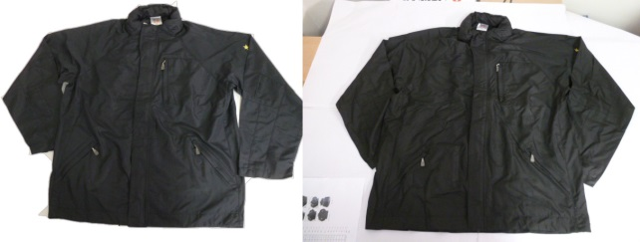 | SBS232334 | MILAN (OSGOOD) F/Z WATERPROOF JKT | Jacket | NAVY | Male |  | 4 | 36 | 33 | 35 | 107 | 324 | 539
SOCCER KITS |  | SBS232334 | MILAN (OSGOOD) F/Z WATERPROOF JKT | Jacket | BLACK | Male |  | 25 | 78 | 64 | 120 | 185 | 806 | 1,278

